Login Page


 | User Name

 | Password


Unilink General Trading & Contracting Company |  | Login

Home Page
 |  |  |  |  |  |  |  |  |  |  |  |  |  |  | Enterprise Search

 |  |  |  |  |  |  |  |  |  | Icon Menu/Shortcut Menu for quick access of Enquiry, Quote, Agreement & payment/Voucher screens

 |  |  | Payment Pending/ Receivable Aging |  |  |  |  |  |  |  |  |  | Storage Units Availability

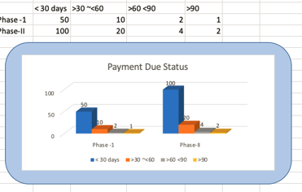
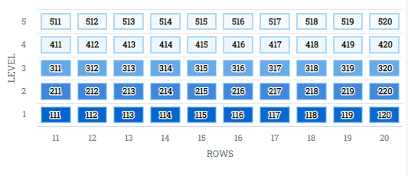
Home
Setup
Masters |  |  |  |  |  |  |  |  |  |  |  |  |  |  |  |  |  |  | Refer reports sheet for field and other details. Please, do follow WMS format for graphical representation of storage units.
CRM
Operations |  |  |  |  |  |  |  |  | Refer reports sheet for field and other details
Report

 |  |  |  |  |  |  |  |  |  |  |  |  |  |  |  |  |  |  |  |  | 512 | DD
 |  |  |  |  |  |  |  |  |  |  |  |  |  |  |  |  |  |  |  |  |  | 15*15
 |  |  | Contract Renewal Status |  |  |  |  |  |  |  |  |  | Enquiry Status

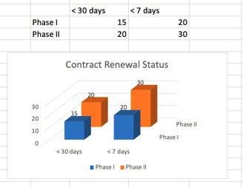
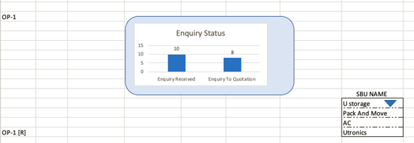

 |  |  |  |  |  |  |  |  |  |  |  |  |  |  |  |  |  |  | Refer reports sheet for field and other details

 |  |  |  |  |  |  |  |  | Refer reports sheet for field and other details

 |  |  | FillRate Status |  |  |  |  |  |  |  |  |  | Quotation Status

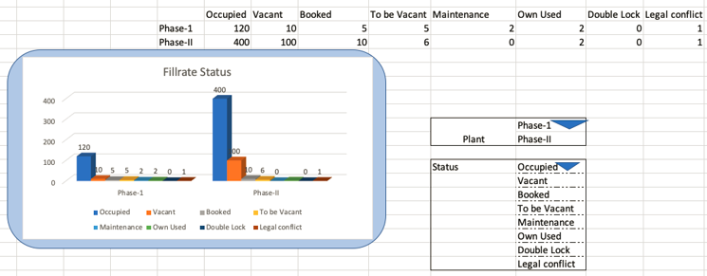
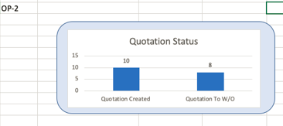

 |  |  |  |  |  |  |  |  |  |  |  |  |  |  |  |  |  | Refer reports sheet for field and other details

 |  |  |  |  |  |  |  | Refer reports sheet for field and other details

 |  | Work Order Status |  |  |  |  |  |  |  |  | Word Order Processing Lead Time

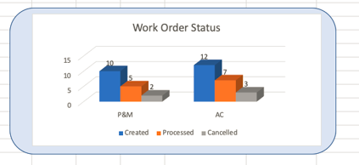
 |  |  |  |  |  |  |  |  |  |  | WO Date | Time | Created by | Processed Date | Processed Time | Processed by | Lead Time

 |  |  |  |  |  |  |  | Refer reports sheet for field and other details |  |  |  |  |  |  |  |  |  | Refer reports sheet for field and other details

 |  |  |  |  |  |  |  |  |  |  |  |  | Employee Efficiency Record
 | Shifting Lead Time

 | Date | Start Time | End Time | Job Card No. | Job Type | Team Name | Lead Time

 |  |  |  |  |  |  |  |  |  |  |  |  |  |  |  |  |  |  |  | Refer reports sheet for field and other details
 |  |  |  |  |  |  |  |  | Refer reports sheet for field and other details

 |  | SMS Status Report

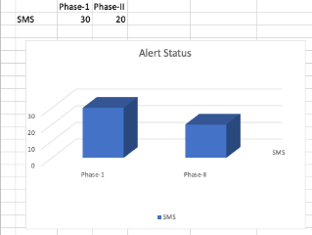

 |  |  |  |  |  |  |  |  | Refer reports sheet for field and other details

Setup&Other Screens
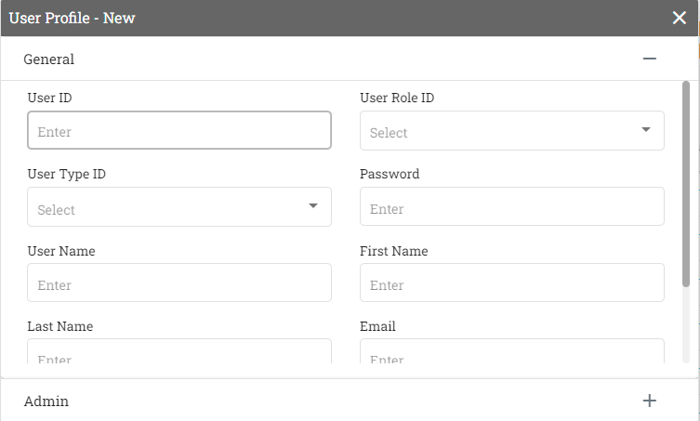
 |  |  |  |  |  |  | 1 |  |  |  |  |  |  |  |  |  |  | Same for Ulogistics too - A separate user profile page
 | Home
 | Setup | Admin | User Management | Ustorage | Maintain grid view as in WMS portal for all setup and other tree structure menu screens.
 | Masters | SBU | Currency | Ulogistics
 | CRM | Masters | Countries |  |  |  | Home | Admin > User Management > Ustorage |  |  |  |  | Enterprise Search |  |  |  |  |  |  |  |  |  |  | Home | Admin > Currency |  | Enterprise Search | Home | Admin > Countries |  | Enterprise Search | Home | Admin > Numbering Series |  |  |  |  | Enterprise Search
 | Operations | Transactions | Numbering Series | Storage Unit |  |  | Setup | Ustorage | Ulogistics |  |  |  |  |  |  |  |  |  |  |  |  |  |  | Setup | Currency |  |  | Setup | Countries |  |  | Setup | Numbering Series
 | Report | Report |  | Material Master |  |  | Masters | User Code | Name | Admin Y/N | Role/Dept | User ID | Password | Status | Email/Phone | Add New |  |  |  |  |  |  |  | Masters | Code | Description |  | Masters | Code | Description |  | Masters | SBU Code | Code | Object | From | TO
 |  |  |  | Document series | Enquiry |  | CRM |  |  |  |  |  |  |  |  | >>>>> |  |  |  |  |  |  |  | CRM | KWD | Kuwait Dinar |  | CRM | KW | Kuwait |  | CRM | US | STU | Storage Unit | 0001 | 9999
 |  |  |  |  | Quote |  | Operations |  |  |  |  |  |  |  |  |  |  |  |  |  |  |  |  | Operations | USD | US Dollar |  | Operations | UAE | Emirates |  | Operations | US | MM | Material Master | 10001 | 19999
 |  |  |  |  | Agreement |  | Report |  |  |  |  |  |  |  |  |  |  |  |  |  |  |  |  | Report | AED | Emirates Dhirhams |  | Report |  |  |  | Report | US | INQ | Inquiry | 100001 | 199999
 |  |  |  |  | Payment/Voucher |  |  |  |  |  |  |  |  |  |  |  |  |  |  |  |  |  |  |  |  |  |  |  |  |  |  |  | US | QT | Quote | 200001 | 299999
 |  |  |  |  | Invoice |  |  |  |  |  |  |  |  |  |  |  |  |  |  |  |  |  |  |  |  |  |  |  |  |  |  |  | US | AG | Agreement | 300001 | 399999
 |  |  |  |  | Work order |  |  |  |  |  |  |  |  |  |  |  |  |  |  |  |  |  |  |  |  |  |  |  |  |  |  |  | US | INV | Invoice | 400001 | 499999
 |  |  |  |  |  |  |  |  |  |  |  |  |  |  |  |  |  |  |  |  |  |  |  |  |  |  |  |  |  |  |  |  | US | PV | Payment/Voucher | 500001 | 599999
 |  |  |  |  |  |  |  |  |  |  |  |  |  |  |  |  |  |  |  |  |  |  |  |  |  |  |  |  |  |  |  |  | UL | UINQ | Inquiry | 600001 | 699999
 |  |  |  |  |  |  |  |  |  |  |  |  |  |  |  |  |  |  |  |  |  |  |  |  |  |  |  |  |  |  |  |  | UL | UQT | Quote | 700001 | 799999
 | Home |  |  |  |  |  |  |  |  |  |  |  |  |  |  |  |  |  |  |  |  |  |  |  |  |  |  |  |  |  |  |  | UL | WO | Work Order | 800001 | 899999
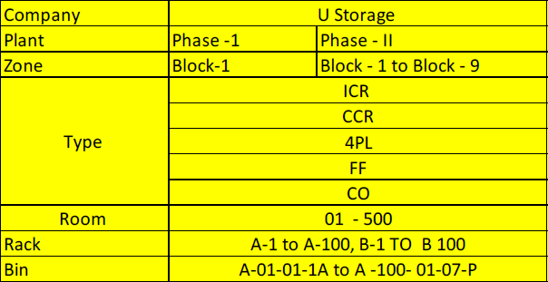
 | Setup | Admin |  |  |  |  |  |  |  |  |  |  |  |  |  |  |  |  |  |  |  |  |  |  |  |  |  |  |  |  |  |  | UL | UIN |  | 900001 | 999999
 | Masters | SBU | Ustorage
 | CRM | Masters | Ulogistics | Storage Unit | Plant
 | Operations | Transactions |  |  | Zone |  |  |  |  |  | Home | SBU > UStorage > Storage Unit |  |  |  |  | Enterprise Search
 | Report | Report |  |  | Room |  |  |  |  |  | Setup | Storage Unit
 |  |  |  |  | Rack |  |  |  |  |  | Masters | Plant | Zone |  | Room | Rack | Bin
 |  |  |  |  | Bin |  |  |  |  |  | CRM | Phase I | Block-1 |  | 1 | A-1 | A-01-01-1A
 |  |  |  |  |  |  |  |  |  |  | Operations | Phase II | Block-3
 |  |  |  |  |  |  |  |  |  |  | Report

 |  |  |  |  |  |  |  |  |  |  |  | Add |  | Cancel

 | Home
Company Code | Setup | Admin |  |  |  |  | Home | SBU > UStorage > Storage Unit |  |  |  |  | Enterprise Search |  |  |  | Home | SBU > UStorage > Storage Unit |  |  |  |  | Enterprise Search
Plant | Masters | SBU | Ustorage | Employee |  |  | Setup | Employee | Item Group |  |  |  |  |  |  |  | Setup | Employee | Item Group
Lang_Id | CRM | Masters | Ulogistics | Item Group | Consumables |  | Masters | Code | Name | SBU | Email | Phone |  |  |  |  | Masters | lang_id | Code | Description |  | SBU | UoM by group
 | Operations | Transactions |  |  | Trips |  | CRM | 001 | Ahmed | Ulogistics |  |  |  |  |  |  | CRM | EN | 001 | Consumables |  | Ulogistics | Nos
 | Report | Report |  |  | F/L Rent |  | Operations | 002 | Amir | Ulogistics |  |  |  |  |  |  | Operations | EN | 002 | Handling Charges |  | Ulogistics | Hrs
 |  |  |  |  | Handling Charges |  | Report | 003 | Murali | Ulogistics |  |  |  |  |  |  | Report | EN | 003 | Trips |  | Ulogistics | Nos
 |  |  |  |  |  |  |  | 004 | Alex | Ulogistics |  |  |  |  |  |  |  | EN | 004 | F/L Rent |  | Ulogistics | Nos
 |  |  |  |  |  |  |  | 005 | Arun | Ulogistics |  |  |  |  |  |  |  | EN | 005 | Storage Units |  | Ustorage | Nos
 |  |  |  |  |  |  |  | 006 | Satheesh | Ulogistics |  |  |  |  |  |  |  | AR | 001
 |  |  |  |  |  |  |  |  |  |  |  |  |  |  |  |  |  | AR | 002
 |  |  |  |  |  |  |  |  |  |  |  |  |  |  |  |  |  | AR | 003

 | Home
 | Setup | Admin |  |  |  |  | Home | Masters > Storage Unit > Storage Type |  |  |  |  | Enterprise Search |  |  |  | Home | Masters > Storage Unit > Storage Type |  |  |  |  | Enterprise Search
 | Masters | SBU |  | Storage Type |  |  | Setup | Storage Unit | Client Master | Material Master |  |  |  |  |  |  | Setup | Storage Unit | Client Master | Material Master
 | CRM | Masters | Storage Unit | Door Type |  |  | Masters | StorageType | Door Type |  |  | Door Type |  |  |  |  | Masters | Payment Mode |  | Payment Terms |  | Nationality
 | Operations | Transactions | Client Master | Payment Mode |  |  | CRM | Code | Description |  |  | Code | Description |  |  |  | CRM | Code | Description | Code | Description | Code | Description
 | Report | Report | Material Master | Payment Terms | Advance |  | Operations | 001 | ICR |  |  | 001 | Double Door |  |  |  | Operations | 001 | Cash | 001 | Advance | KW | Kuwaiti
 |  |  |  | Nationality | Net 15 - 15 days from invoice |  | Report | 002 | CCR |  |  | 002 | Single Door |  |  |  | Report | 002 | Cheque | 002 | Net 15 - 15 days from invoice | UAE | Emirati
 |  |  |  |  | Credit |  |  | 003 | 4PL |  |  | 003 | Shutter |  |  |  |  | 003 | Bank transfer | 003 | Credit | OM | Omani
 |  |  |  |  | Cash |  |  | 004 | FF |  |  |  |  |  |  |  |  | 004 | K_Net | 004 | Cash | 004
 |  |  |  |  |  |  |  | 005 | CO |  |  |  |  |  |  |  |  | 005 | Link
 |  |  |  |  |  |  |  | 006

 |  | Home
 |  | Setup | Admin
 |  | Masters | SBU
 |  | CRM | Masters | Storage Unit |  |  | Home | Masters > Material Masters |  |  |  |  | Enterprise Search
 |  | Operations | Transactions | Client Master |  |  | Setup | UoM |  | Warehouses
 |  | Report | Report | Material Master | UoM | Nos | Masters | Code | Description | Code | Description
 |  |  |  |  | Warehouses | Pieces | CRM | 001 | Nos | 001 | Phase I
 |  |  |  |  |  | Boxes | Operations | 002 | Pcs | 002 | Phase II
 |  |  |  |  |  | Rolls | Report | 003 | Kgs
 |  |  |  |  |  | Kg |  | 004 | Box
 |  |  |  |  |  | Meters |  | 005

 | Home
 | Setup
 | Masters | Storage Unit | Refer to screen under master screen sheet |  | Maintain grid view as in WMS portal for all setup and other tree structure menu screens.
 | CRM | Client Master
 | Operations | Material Master
 | Report

 | Home
 | Setup
 | Masters
 | CRM | Enquiry | Refer to screen under master screen sheet |  |  | Maintain grid view as in WMS portal for all setup and other tree structure menu screens.
 | Operations | Quote
 | Report

 | Home
 | Setup
 | Masters
 | CRM
 | Operations | Agreement | Refer to screen under master screen sheet |  |  | Maintain grid view as in WMS portal for all setup and other tree structure menu screens.
 | Report | Invoice
 |  | Payment/Voucher
 |  | Work Order

 | Home
 | Setup
 | Masters
 | CRM
 | Operations
 | Report | 1) Payment Due Status Report
 |  | 2) Enquiry Status Report
 |  | 3) Storage Unit Status Report |  |  | From Storage Master List View
 |  | 4) Master Data List View |  |  | From Master Data Screen
 |  | 5) Documents List View |  |  | From Doc. Screens list view
 |  | 6) Quotation Status Report
 |  | 7) Work order Status Report
 |  | 8) Fill Rate Report
 |  | 9) SMS Alerts Status Report
 |  | 10) Contract Renewal Report
 |  | 11) Employee Efficiency Record
 |  | 12) Lead Time Report

